Instructions
Instructions for Updating the Reporting Template
WARNING: DO NOT SEND THE WHOLE REPORTING TEMPLATE FILE OVER TO THE CLIENT, AS IT USUALLY CONTAINS INFORMATION ON OTHER CLIENTS!

1 | Clear out any old data from a previously run report.
 | a. | In the 'ENTER DATA HERE' tab, Delete all the data from Columns A through W (under the purple header)

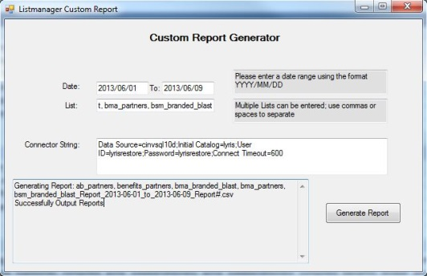
2 | Pull Reports from the Lyris Report Generator Tool
 |  | Located in the Marketing Drive here: MDMktg\eMarketing\Lyris Reporting\SummitReport
 | a. | Enter the Lists for the campaign you need into the Listmanager Custom Report Tool.
 | b. | Enter the Date Range.
 | c. | Generate the Report(s).

3 | Enter Data into the reporting Template.
 | a. | Copy entire dataset from all reports and paste directly into the 'ENTER DATA HERE' tab, starting in cell A3
 |  | Note: Don't worry about the Header rows, test mailings, or seeds. These will be automatically removed.

4 | Refresh the Report
 | a. | Click on the table in the Final Report Tab
 |  | i. | Under the Excel Ribbon, a new option for PivotTable Tools will appear.
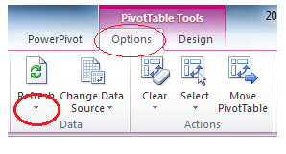
 | b. | Click on Options.
 | c. | Click on Refresh.

5 | Customize your report by selecting from the "Slicer" buttons at the top.
 | d. | Select which Portal your email was sent out of.
 |  |  | PCG = Property Casualty Group
 |  |  | LHG = Life Health Group
 |  |  | PSG = Professional Services Group
 |  |  | IAG = Investment Advisory Group
 |  |  | BenefitsPro = Benefits Pro
 | e. | Select which audience this is for.
 | f. | Select your client name from the list.

6 | Your Report is now ready!
 | a. | Simply copy and Paste the table section of the report into an email or other Excel spreadsheet and send off to the client.

WARNING: DO NOT SEND THE WHOLE REPORTING TEMPLATE FILE OVER TO THE CLIENT, AS IT USUALLY CONTAINS INFORMATION ON OTHER CLIENTS! COPY AND PASTE THE TABLE INTO ANOTHER SPREADSHEET OR DIRECTLY INTO THE BODY OF THE EMAIL

Client Name not showing up or showing up incorrectly? Mailing is in the wrong portal, pub, or audience? Try these steps to see if you can fix your report.
Troubleshooting
1 | Sort ascending order, A to Z, by Column AA, named 'Live'.
 | a. | If you'd like, you may delete all rows with the label "Test" in Column AA at this point, to make it easier to see only the relevant data.
 | b. | However, it's not necessary to delete the "Test" rows, as they will be automatically excluded from the final report.
2 | Verify the Client Name in Column W
 | a. | The Client Name is automatically extracted from the Mailing name, but verify that it's correct.
3 | Verify the Portal, Pub Name, Audience, and/or eNewsletter names are correct.
 | a. | These are being updated automatically with formulas.
 | b. | If they are not correct, just manually overwrite what's listed in columns AB through AJ

